IEC Major Maintenance Report
Report Issue Number: | 1
Report Issued Date: | 2021-09-28
Project Number: | P121661
Project Name: | DigiPlex - DHAS-C (OSL21)
Unit Name: | C1 - DH2 - IEC 01

Project Information
Project Number: | P121661 |  |  | Project Name: |  | DigiPlex - DHAS-C (OSL21)
Client Reference: | OSL21

Site Information
Site Name: | DigiPlex - DHAS-C (OSL21)
Address: | Holtskogen 31
Town/City: | Tomter |  |  | Postcode: |  | 1825
Contact Name: | Geir Vistung |  |  | Contact Number: |  | +47 901 20 403

Equipment Information
Unit Name: | C1 - DH2 - IEC 01
Unit Serial Number: | 650196.0010 |  |  | Unit Model: |  | Adia-DENCO
Unit Airstreams: | Supply/Extract |  |  | Unit Installation: |  | Internal Unit (External Environment)
Unit Handing: | Left

Controller Information
Controller Type: | SAIA M90 |  |  | Software Version: |  |  | v1.2.3

Test Meters
Meter Name | Meter used for |  |  | Meter Serial Number |  | Meter Calibration Number |  | Meter Calibration Date | Meter Calibration Expiry Date
Testo 510i | Pressure |  |  | 49105036 |  | B00423/60881 |  | 2021-08-16 | 2022-08-16
Testo 510i | Pressure |  |  | 49141992 |  | B00423/60882 |  | 2021-08-16 | 2022-08-16
Testo 605i | Humidity/Temp |  |  | 83115240 |  | 524021 |  | 2021-08-06 | 2022-08-06
Testo 905i | Temp |  |  | 49517442 |  | 744221 |  | 2021-08-06 | 2022-08-06
Fluke 279FC | Voltage |  |  | 35900067 |  | 21-584171 |  | 2021-09-21 | 2022-09-21
Fluke 347FC | Ampere/Voltage |  |  | 36440266WS |  | 21-584168 |  | 2021-09-21 | 2022-09-21
Testo 510i | Pressure |  |  | 49141232 |  | B00423/60880 |  | 2021-08-16 | 2022-08-16

3. Overall Unit
Circle and number any areas (Left Hand Unit):
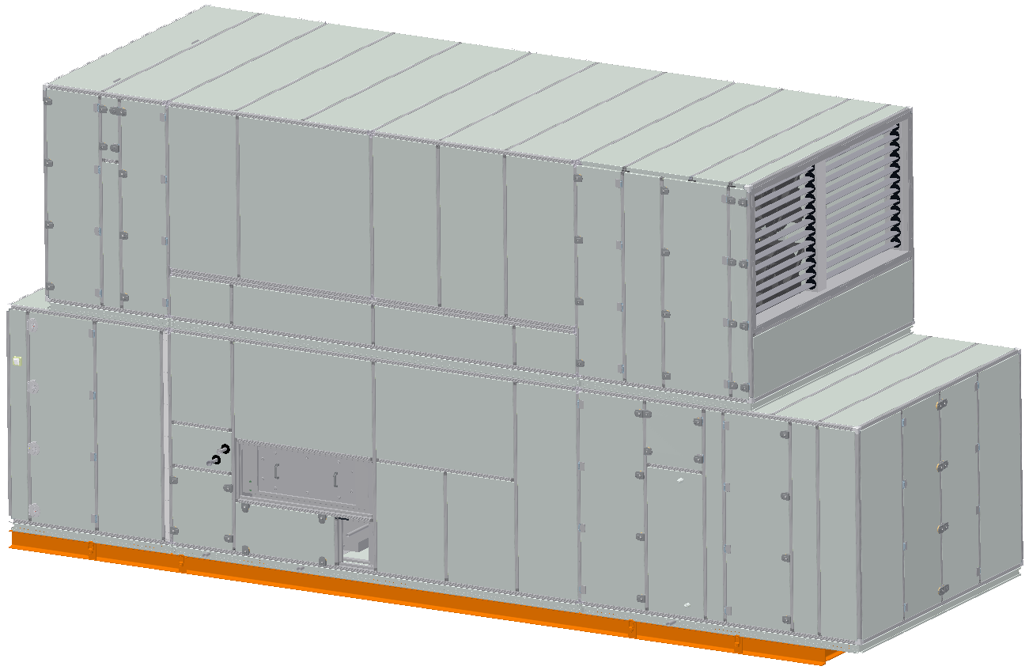
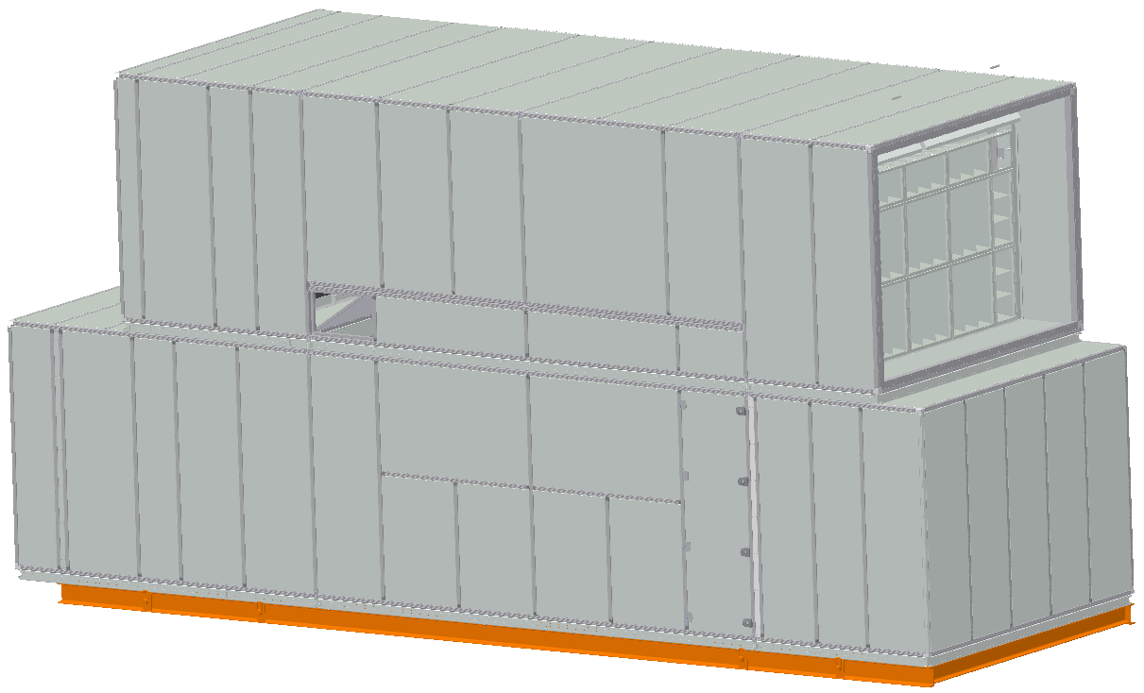

Service Side |  |  |  |  | Rear Side

Type (Damage, Seal or Corrosion) |  | Number |  | Comments
Ok

Circle and number any areas (Right Hand Unit):
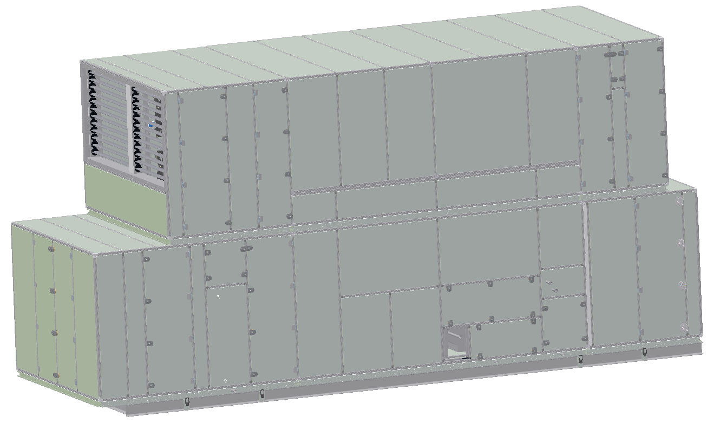
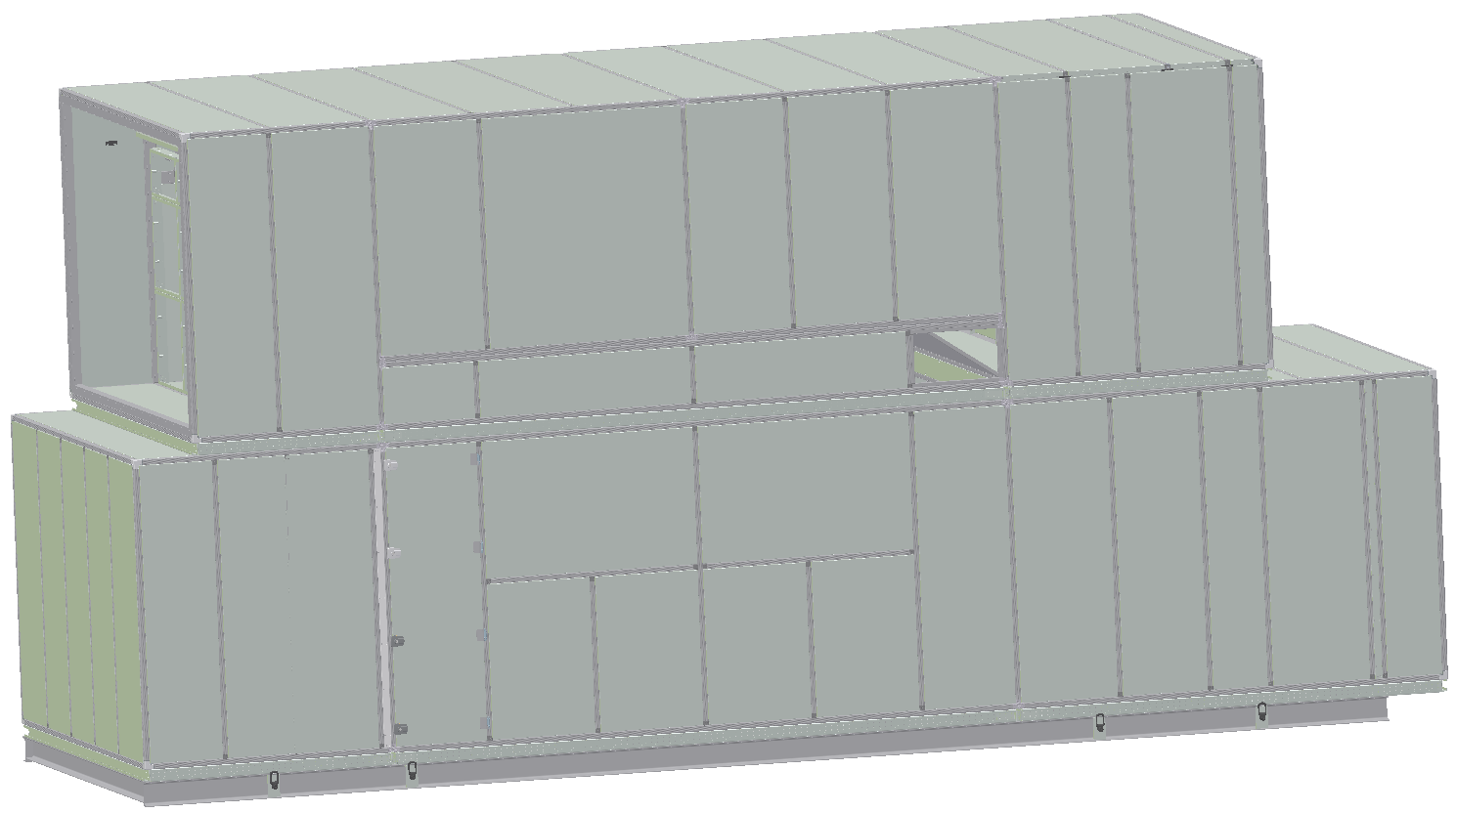

Service Side |  |  |  |  | Rear Side

Type (Damage, Seal or Corrosion) |  | Number |  | Comments

All Door Stops fitted and operating correctly? |  |  |  | Yes
Alarm, Event & Maintenance Logs checked and OK? |  |  |  | Yes
Unit Cleaning (Hoovered/Wiped) carried out if required? |  |  |  | No

Notes:

4. Fans
Circle and number any areas:
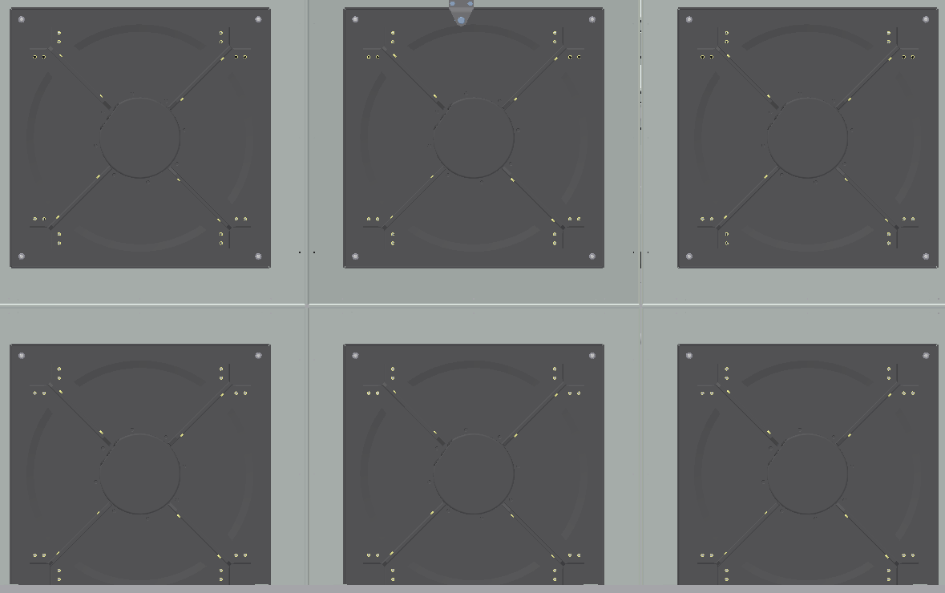
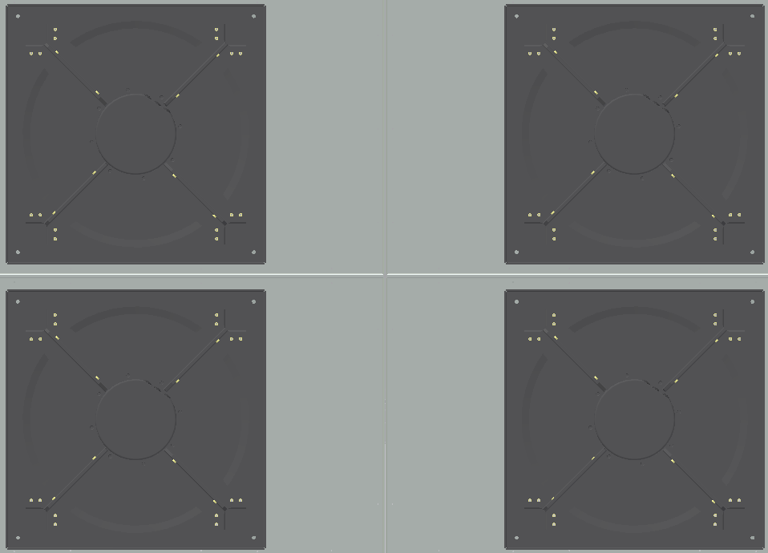

Supply (Air Off Side) |  |  |  |  | Exhaust (Air Off Side)

Type (Debris, Damage or Corrosion) |  | Number |  | Comments
Ok

All fans checked and free from noise or vibration? |  |  |  |  | Yes
Fan & Fan Section Cleaning (Hoovered/Wiped) carried out if required? |  |  |  |  | No

Item for Calibration |  | Sensor Reading |  | Calibrated Reading |  | Offset Applied
Supply Fan Pressure Sensor |  | 325 Pa |  | 323 Pa |  | -2 Pa
Exhaust Fan Pressure Sensor |  | 325 Pa |  | 336 Pa |  | 11 Pa

Notes:

5. Filters
Circle and number any areas:

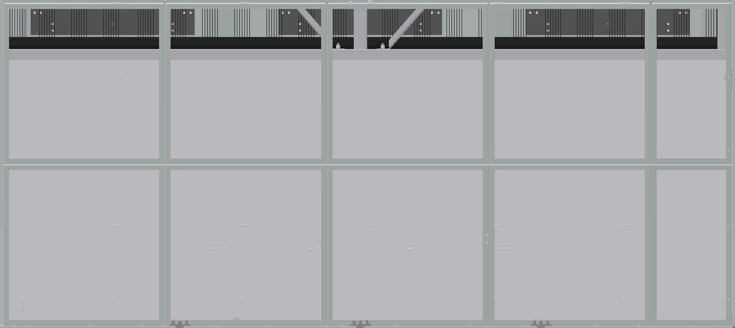

Fresh Air (Air On Side) |  |  |  |  | Return Air (Air On Side)

Type (Debris, Damage or Corrosion) |  | Number |  | Comments
Ok

Airstream | Actual Value (Pa) |  | Airflow (m3/h) |  | Fan Level (%) |  | Filter Dirty Limit
Fresh Air / Exhaust Air | 17 Pa |  | 21566 m3/h |  | 50.0 % |  | 150 Pa
Return Air / Supply Air | 23 Pa |  | 33221 m3/h |  | 50.0 % |  | 150 Pa

Filter Section Cleaning (Hoovered/Wiped) carried out if required? |  |  |  |  | Yes

Item for Calibration |  | Sensor Reading |  | Calibrated Reading |  | Offset Applied
Fresh Air Filter Pressure Sensor |  | 17 Pa |  | 13 Pa |  | -4 Pa
Return Air Filter Pressure Sensor |  | 23 Pa |  | 26 Pa |  | 3 Pa

Fresh Air Filters (Ambient Airstream) Replaced? |  |  |  | Yes
Return Air Filters (Data Centre Airstream) Replaced? |  |  |  | Yes

Notes:
1 x 287x287x360 filter missing on fresh air , not changed, and 4 fresh air filters are 287x592x360, but should be 592x287x360.

6. Exchangers (Coils & Plates)
Circle and number any areas:




Plate Exchanger |  |  |  |  | HR/Snow Melt Coil

Type (Debris, Damage or Corrosion) |  | Number |  | Comments
Ok

Checked for and free from any signs of leaks? |  |  |  |  | Yes
Exchanger Section(s) Cleaning (Hoovered/Wiped) carried out if required? |  |  |  |  | No

Notes:

7. Dampers
Winter By-Pass Damper driven end to end and physically witnessed? |  |  |  |  | Yes
Exhaust Air Damper driven end to end and physically witnessed? |  |  |  |  | Yes
Return Air Damper driven end to end and physically witnessed? |  |  |  |  | Yes
HR/Snow Melt By-Pass Damper driven end to end and physically witnessed? |  |  |  |  | Yes
Supply Air Damper driven end to end and physically witnessed? |  |  |  |  | Yes
Dampers & Damper Sections Cleaning (Hoovered/Wiped) carried out if required? |  |  |  |  | No

Notes:

8. Adiabatic Water System
Circle and number any areas (Left Hand Unit):
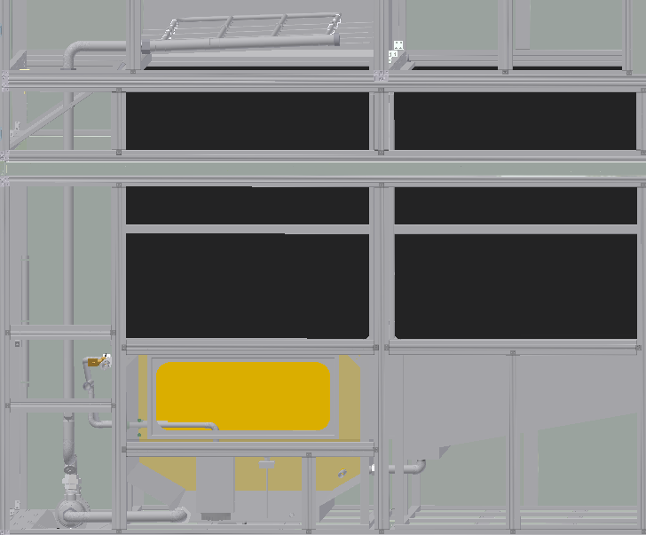

Type (Leak, Scale or Deposit/slurry) |  | Number |  | Comments
Water is closed due low temp.

Water tank was full of pollen. Took time to
clean it.

Circle and number any areas (Right Hand Unit):
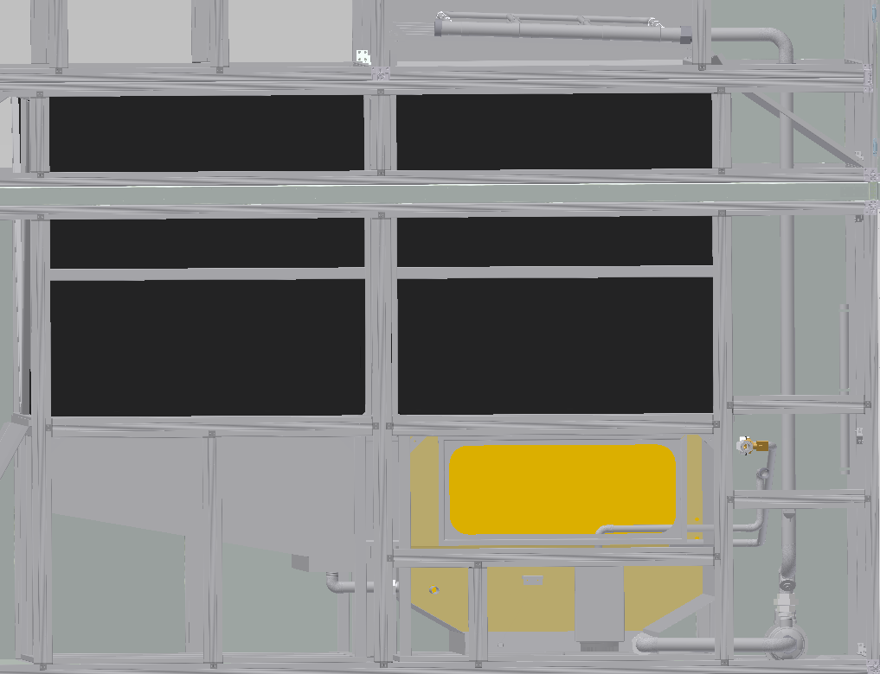

Type (Leak, Scale or Deposit/slurry) |  | Number |  | Comments

Adiabatic Pump Discharge Strainer Checked and if required cleaned? |  |  |  |  |  | Yes
Adiabatic Tank Water Level Sensor Rod checked for Tightness (4 Nm)?: |  |  |  |  |  | Yes
Adiabatic Spray Nozzles checked to ensure they give an even cone and if required cleaned? |  |  |  |  |  | Yes
Adiabatic Sump Manual Drain Valve Checked for correct operation? |  |  |  |  |  | NA

Item for Calibration |  | Sensor Reading |  | Calibrated Reading |  | Offset Applied
Adiabatic Tank Water Level Sensor |  | NA
Adiabatic Tank Water Temperature |  | NA

9. Controls & Control Panel
Overload settings checked and OK? |  |  |  | Yes
Main Controller checked for any battery warning messages and OK? |  |  |  | Yes
UPS Battery Condition checked and OK? |  |  |  | Yes

Plant Operating Hours: | 4180

Adiabatic Operating Hours: | 17

Total Water Consumption: | 10.877

Voltage Readings (Calibrated Readings)
L1 -> N: | 238 |  | L2 -> N: | 238 |  | L3 -> N: | 238
L1 -> L2: | 411 |  | L1 -> L3: | 413 |  | L2 -> L3: | 413
Current Readings (Calibrated Readings)
SUPPLY FAN
Fan Level: | 50 %
Fan 1 Current: | L1: | 1.10 A |  | L2: | 1.10 A |  | L3: | 1.10 A
Fan 2 Current: | L1: | 1.10 A |  | L2: | 1.10 A |  | L3: | 1.10 A
Fan 3 Current: | L1: | 1.10 A |  | L2: | 1.10 A |  | L3: | 1.10 A
Fan 4 Current: | L1: | 1.10 A |  | L2: | 1.10 A |  | L3: | 1.10 A
Fan 5 Current: | L1: | 1.10 A |  | L2: | 1.10 A |  | L3: | 1.10 A
Fan 6 Current: | L1: | 1.10 A |  | L2: | 1.10 A |  | L3: | 1.10 A
EXHAUST FAN
Fan Level: | 50 %
Fan 1 Current: | L1: | 0.90 A |  | L2: | 0.80 A |  | L3: | 0.80 A
Fan 2 Current: | L1: | 0.80 A |  | L2: | 0.80 A |  | L3: | 0.80 A
Fan 3 Current: | L1: | 0.80 A |  | L2: | 0.80 A |  | L3: | 0.80 A
Fan 4 Current: | L1: | 0.80 A |  | L2: | 0.80 A |  | L3: | 0.80 A

Control Panel Section Cleaning (Hoovered/Wiped) carried out if required? |  |  |  |  | Yes

Item for Calibration |  | Sensor Reading |  | Calibrated Reading |  | Offset Applied
Fresh Air Temperature Sensor |  | 16.1 °C |  | 15.4 °C |  | -0.7 °C
Fresh Air Humidity Sensor |  | 76.5 % |  | 77.4 % |  | -0.9 %
Plate Air On Temperature Sensor |  | 16.6 °C |  | 15.0 °C |  | -1.6 °C
Supply Air Temperature Sensor |  | 27.0 °C |  | 26.0 °C |  | -1.0 °C
Duct/Whitespace Pressure Sensor |  | 90.0 Pa |  | 90.0 Pa |  | 0.0 Pa
Return Air Temperature Sensor |  | 28.2 °C |  | 28.4 °C |  | 0.2 °C
Return Air Humidity Sensor |  | 35.8 % |  | 37.1 % |  | 1.3 %

Notes:
Duck/Whitespace pressure sensor was on 250Pa even if the iec was running or not. Reset the sensor. When we run the unit now the pressure sensor only shows 2Pa. We checked the tube and it was squeesed in two of the cable glands. We fixed that with two piped connected with the tube.

General
Maintenance Current Operating Hours Reset (Using the IEC Unit User Interface): |  |  |  |  | Yes

I confirm I have maintained the unit as per the maintenance task list:
Name: | Bjørnar Strandos / Øyvind Mårem |  |  |  | Date: | 2021-09-28
Position:
Signature

